6.Star Schema
Star Schema

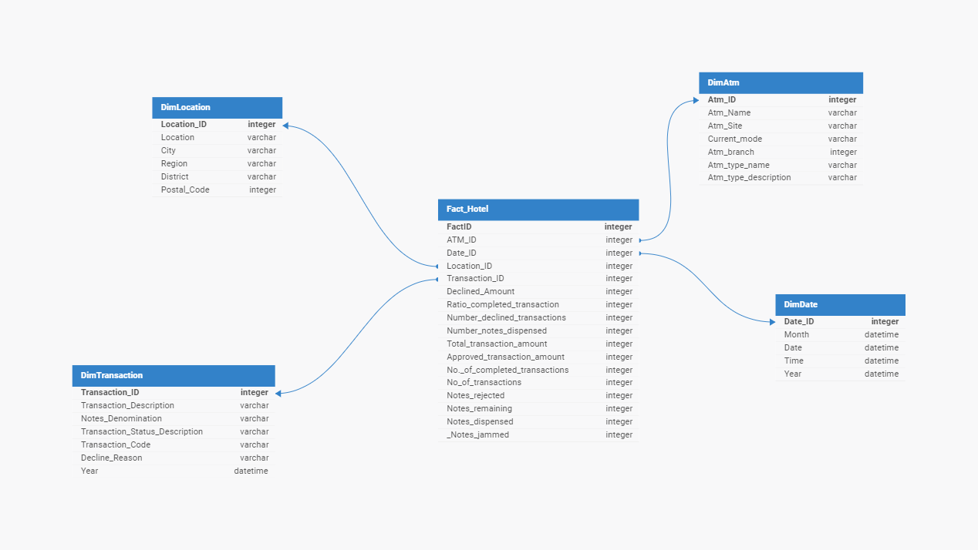
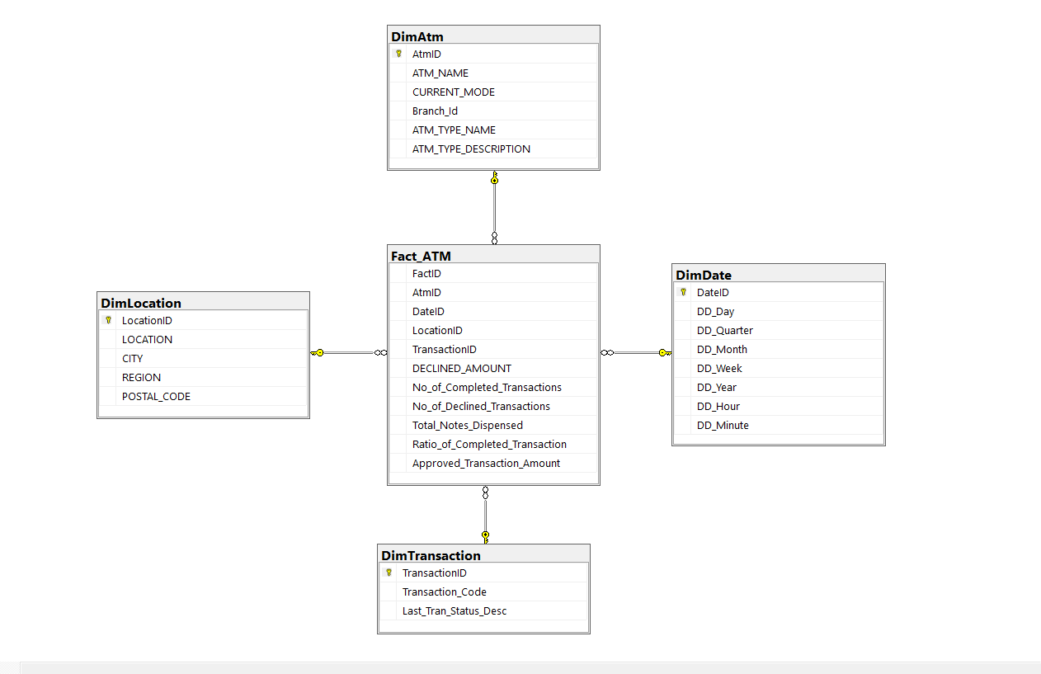
Star Schema Image | Possible Star Schema Queries
 | Sno | Business Question Addressed | SQL query
 | 1 | Retrieve customer information along with their order details. | SELECT C.CustomerID, C.Userpass, C.HasMembership, O.OrderNum, O.OrderDate, O.Completed, O.OrderName, O.OrderEmail FROM Customer C JOIN Orders O ON C.CustomerID = O.CustomerID;
 | 2 | Find the total sales for each category. | SELECT I.Category, SUM(I.Quantity * I.Price) AS TotalSales FROM Item I JOIN OrderedItems OI ON I.ItemID = OI.ItemID GROUP BY I.Category;
 | 3 | Identify customers who made the highest number of orders. | SELECT C.CustomerID, COUNT(O.OrderNum) AS OrderCount FROM Customer C JOIN Orders O ON C.CustomerID = O.CustomerID GROUP BY C.CustomerID ORDER BY OrderCount DESC LIMIT 1;
 | 4 | Retrieve payment details for completed orders. | SELECT P.OrderID, P.CardName, FROM Payment P JOIN Orders O ON P.OrderID = O.OrderNum WHERE O.Completed = 'Yes';
 | 5 | Identify suppliers with low stock quantities for their products. | SELECT S.SupplierID, S.SupplierName, P.StockQuantity FROM Supplier S JOIN Product P ON S.SupplierID = P.SupplierID WHERE P.StockQuantity < 10;
 | 6 | Identify the country where we get most orders from | SELECT A.Country, COUNT(O.OrderNum) AS OrderCount FROM Addresses A JOIN Orders O ON A.CustomerID = O.CustomerID GROUP BY A.Country ORDER BY OrderCount DESC LIMIT 1;

